BugReport
 |  |  |  |  |  |  |  | QA |  |  |  | Dev
BugID | Module name | Build no | Describtion | TcID | Steps to replicatebug | ScreenShot | Sevirity | priority | Reported by | Assigned to | Resulation | Status | Bug fixed date
Blaze_01 | Blaze_Products | 1 | Not Showing the purchase fail option | TC_products_06 | 1.Logged in as a user 2. Click on cart option on top 3. Click on place order 4.Provide all the invalid infos for purchasing(Name, Country, City, Credit card,Month,Year) 5. Click on Purchase option | 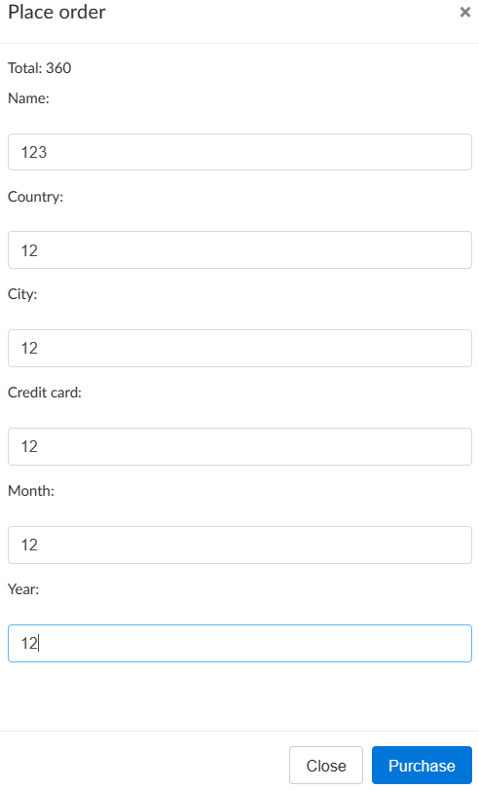 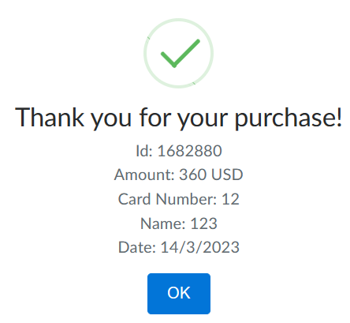 | High | P1 | Mitu | Mitu

